0. How to use this template
 | Welcome to the budgeting template for submitting a proposal to the Open Technology Fund!
 | This first tab is here to explain how the template works and steps for filling it in.

1 | First, this budget template is set up collect detailed information of how much your proposal will cost to implement.
2 | This information feeds into a budget summary tab to use as a basis for outlining your budget narrative in the proposal.
3 | Then, in the third tab, you are asked to propose a payment schedule that ties each payment to a specific deliverable described in your proposal.

 | First, let's discuss tab 1: |  | Next, let's discuss tab 2:

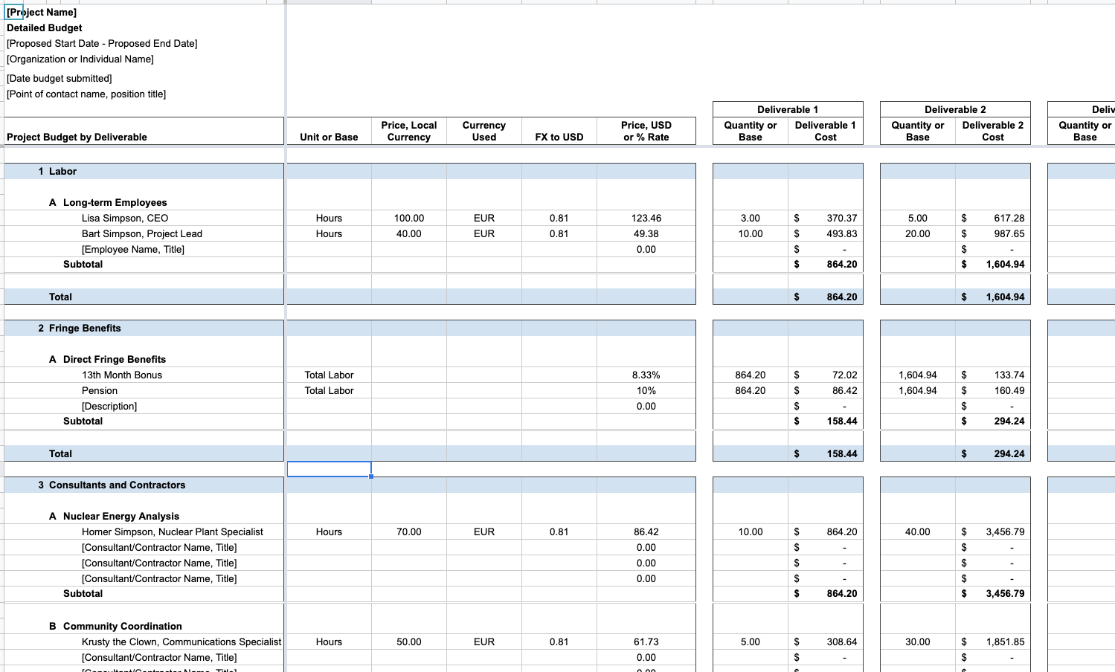
Costs per Deliverable
 | In this tab, the budget is organized to describe and input price information for costs in the rows, and to quantify costs by deliverable in the columns. |  | In this tab, the budget summary is simply the grand total for each of the major budget line items in tab 1.
 |  |  | This budget summary gives you and the evaluators of your proposal a high-level view of the total proposal cost.
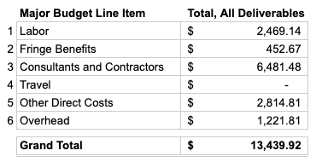

Budget Line Items Setup:
Name/description
Unit or base (ex: hours, days, each)
Price per unit in local currency
Name of currency
Exchange rate for currency
Translated price per unit in USD
Input quantity of each item to calculate cost per deliverable
Quantity x Price = Total Cost

 |  |  | The grand total for all deliverables on this tab should match the grand total for all deliverables in tab 1.

 |  |  | Now, let's discuss tab 3:

 |  |  | In this tab, you will divide out the total budget you built up in tab 1 into a payments proposal.
 |  |  | This is a summary of how you want to be paid for the work you've costed out.
 |  |  | The payments proposal may be as simple as inputting the grand total for each individual deliverable.
 |  |  | - if you input the grand total for each individual deliverable, you are proposing that amount as a flat payment upon completion of that deliverable.

 |  |  | You can also structure the payments proposal to better fit your needs and the timeline for the project.
 |  |  | - for example, you can split payments for one deliverable into two tranches; you'll submit a progress report for the first tranche and the second tranche will be paid upon completion of the deliverable.

 |  |  | The flat payments you propose here do not require you to submit receipts as backup to be paid.
 | Each row should represent a single item of cost, and that cost can be allocated across one or more deliverables. |  | The only requirements to receive payment are:
 | A single row should not be used to input multiple items of cost - if two similar items have different pricing, they require separate rows. |  | 1) completion of the report or deliverable, as verified by OTF
 | You are allowed to add or hide rows as needed within each major budget line item section - be careful to double check and correct any broken formulas after you do so. OTF is not allowed to fix broken formulas for you in your budget submission. |  | 2) a valid invoice submitted for the fixed amount agreed upon for that deliverable.

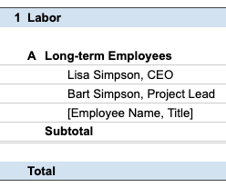
 | You are allowed to edit subcategories within each major budget line item section, or add more subcategories. Make sure to include subtotals for new subcategories if you do, and make sure those subtotals are included in the total formula for the major budget line item.
 |  |  | Finally, let's discuss the last tab:
 | Input a brief description of the item of cost in the rows within each subcategory.

{
Major budget line item and total for that major budget line item
Items of cost
 |  |  | As you can see, this tab is completely optional. It is a blank space that you can use like a piece of scratch paper.
 |  |  | You may want to use this tab to do things like:
 |  |  | - set up standardized rates to link to tab 1
Subcategory and subtotal for that subcategory
 |  |  | - make a list of the trips needed for this project
 |  |  | - do ad-hoc calculations to check your work as you go
 |  |  | You are free to delete this tab before submitting your budget.
 |  |  | You are also allowed to include this tab when you submit your budget, if you think it will help evaluators understand better.

 | Setting up an item of cost requires the following inputs before you can assign quantities of that item to each deliverable:

 | Unit or Base: | This describes what unit the item of cost can be counted in, OR it describes the base against which a percentage rate is calculated. An example of unit is "hours" for labor, or "each" for mobile phones. An example of base is "sum of all labor costs."

 | Price, Local Currency: | This is the price that you or your organization will pay for one unit of the item of cost described for this row. No input is required here if the row is being used for applying a percentage rate.

 | Currency Used: | This is the currency that will be used to pay for the item of cost. No input is required here if the row is being used for applying a percentage rate.

 | FX to USD: | This is a foreign exchange rate to translate the local currency to USD. Use oanda.com to identify the most up-to-date exchange rate as of the date you are filing out the budget template, and make note of that date in your cost notes. If a local currency is used to pay for multiple items of cost, use the same exchange rate for all of those items of cost. No input is required here if the row is being used for applying a percentage rate.

 | Price, USD or % Rate: | This is the USD equivalent of the price for the item of cost, OR it is a percentage rate to calculate an item of cost based off of the amount for one or more other items of cost.

 | Once you have input your items of cost, you can start costing out each of your deliverables.
 | Costing out each deliverable is simply inputting the quantity of that item required for completing that deliverable.
 | Input the quantities in the first column of each deliverable. For example, the columns marked B and D below.
 | This quantity is then multiplied by the price (A) set when setting up your items of cost to get total cost.
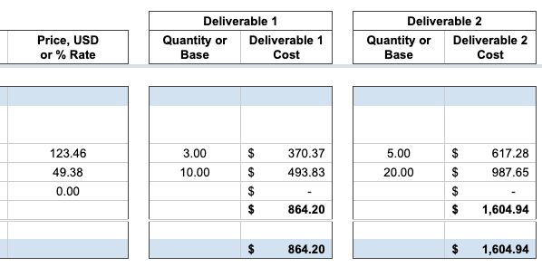

A
B
C = A x B
D
E = A x D

 | For rows where you are calculating a percentage rate cost, input the base as the quantity
 | - for example, if your base is total labor, you can set up a formula to pull the total labor cost into the quantity cell for that row for that deliverable.
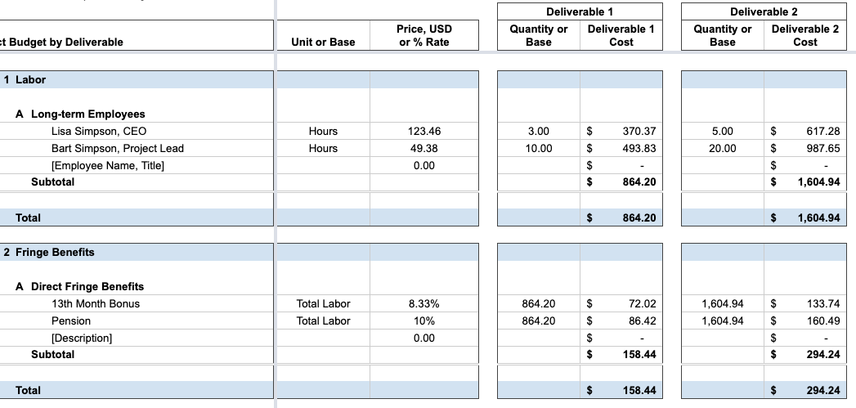

 | After you have input all of your items of cost including prices and then assigned quantities of each to the relevant deliverables:
 | - Double check the subtotal and total formulas for each major budget line item and subcategory for each of the deliverables.
 | - Double check the grand total formula for each deliverable.
 | - Double check the grand total formula for each item of cost.
 | Make sure to correct any broken formulas. OTF is not allowed to fix broken formulas for you in your budget submission.

 | Now you are ready to move to tab 2: Budget Summary!

